Discrete semiconductors
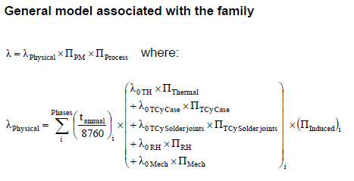
 |  |  |  |  |  |  | Component manufacturing factor |  |  |  | Basic failure rate associated with chip and cases |  |  |  |  | Active Operation Phase |  |  |  |  |  | Active Non-operation Phase
Part | Value | Package | Description | Voper | T [°C] | Csensitivity | QAcomponent | QAmanufacturer | ε | ΠPlacement | λ0TH | λ0RH | λ0Tcy_Case | λ0Tcy_Solder_joints | λ0Mechanical | ΠThermo-electrical | ΠTcy Case | ΠTcy Solder joints | ΠMechanical | ΠRH | Πinduced | ΠThermo-electrical | ΠTcy Case | ΠTcy Solder joints | ΠMechanical | ΠRH | Πinduced | ΠPM | λPhisical | λ
D4 | TVS | SOD323 | TVS Diode | 5 | 35 | 5.2 | 1 | 2 | 4 | 1.6 | 0.021 | 0.0055 | 0.00057 | 0.00285 | 0.000057 | 3.8579641477 | 0.759375 | 1.3894011121 | 1 | 0 | 4.8576184018 | 0 | 0.00044880319149 | 0.00082115904971 | 0 | 2.8795407159 | 2.3233192966 | 1.085697049 | 0.049759210568 | 0.2160937123
D5 | TVS | SOD323 | TVS Diode | 5 | 35 | 5.2 | 1 | 2 | 4 | 1.6 | 0.021 | 0.0055 | 0.00057 | 0.00285 | 0.000057 | 3.8579641477 | 0.759375 | 1.3894011121 | 1 | 0 | 4.8576184018 | 0 | 0.00044880319149 | 0.00082115904971 | 0 | 2.8795407159 | 2.3233192966 | 1.085697049 | 0.049759210568 | 0.2160937123
D6 | TVS | SOD323 | TVS Diode | 5 | 35 | 5.2 | 1 | 2 | 4 | 1.6 | 0.021 | 0.0055 | 0.00057 | 0.00285 | 0.000057 | 3.8579641477 | 0.759375 | 1.3894011121 | 1 | 0 | 4.8576184018 | 0 | 0.00044880319149 | 0.00082115904971 | 0 | 2.8795407159 | 2.3233192966 | 1.085697049 | 0.049759210568 | 0.2160937123
D7 | TVS | SOD323 | TVS Diode | 5 | 35 | 5.2 | 1 | 2 | 4 | 1.6 | 0.021 | 0.0055 | 0.00057 | 0.00285 | 0.000057 | 3.8579641477 | 0.759375 | 1.3894011121 | 1 | 0 | 4.8576184018 | 0 | 0.00044880319149 | 0.00082115904971 | 0 | 2.8795407159 | 2.3233192966 | 1.085697049 | 0.049759210568 | 0.2160937123
 |  |  |  |  |  |  |  |  |  |  |  |  |  |  |  |  |  |  |  |  |  |  |  |  |  |  |  |  | Total: | 0.86437484922

LEDs
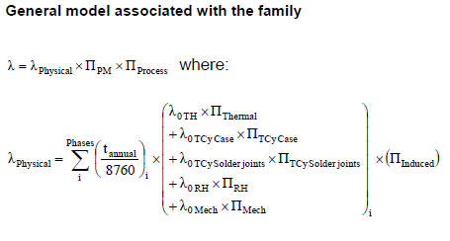
 |  |  |  |  |  |  | Component manufacturing factor |  |  |  | Basic failure rate associated with the chip and cases |  |  |  |  | Active Operation Phase |  |  |  |  |  | Active Non-operation Phase
Part | Value | Package | Description | Voper | T [°C] | Csensitivity | QAcomponent | QAmanufacturer | ε | ΠPlacement | λ0TH | λ0RH | λ0Tcy_Case | λ0Tcy_Solder_joints | λ0Mechanical | ΠThermo-electrical | ΠTcy Case | ΠTcy Solder joints | ΠMechanical | ΠRH | Πinduced | ΠThermo-electrical | ΠTcy Case | ΠTcy Solder joints | ΠMechanical | ΠRH | Πinduced | ΠPM | λPhisical | λ
D1 | LED-RED | LED_3mm | LED | 1.2 | 20 | 4.85 | 1 | 2 | 4 | 1.3 | 0.01 | 0.0034 | 0.0104 | 0.052 | 0.0052 | 1 | 0.759375 | 1.3894011121 | 1 | 0 | 3.8428393477 | 0 | 0.00044880319149 | 0.00082115904971 | 0 | 2.8795407159 | 1.8961631484 | 1.085697049 | 0.049058383865 | 0.21305017037
D2 | LED-GREEN | LED_3mm | LED | 2 | 20 | 4.85 | 1 | 2 | 4 | 1.3 | 0.01 | 0.0034 | 0.0104 | 0.052 | 0.0052 | 1 | 0.759375 | 1.3894011121 | 1 | 0 | 3.8428393477 | 0 | 0.00044880319149 | 0.00082115904971 | 0 | 2.8795407159 | 1.8961631484 | 1.085697049 | 0.049058383865 | 0.21305017037
D3 | LED-GREEN | LED_3mm | LED | 2 | 20 | 4.85 | 1 | 2 | 4 | 1.3 | 0.01 | 0.0034 | 0.0104 | 0.052 | 0.0052 | 1 | 0.759375 | 1.3894011121 | 1 | 0 | 3.8428393477 | 0 | 0.00044880319149 | 0.00082115904971 | 0 | 2.8795407159 | 1.8961631484 | 1.085697049 | 0.049058383865 | 0.21305017037
 |  |  |  |  |  |  |  |  |  |  |  |  |  |  |  |  |  |  |  |  |  |  |  |  |  |  |  |  | Total: | 0.63915051111

Microcircuits
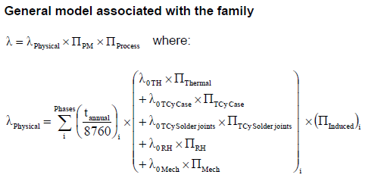
 |  |  |  |  |  | Component manufacturing factor |  |  |  | Basic failure rates associated with the chip and cases |  |  |  |  |  |  |  |  |  |  |  |  |  | Active Operation Phase |  |  |  |  |  | Active Non-operation Phase
Part | Value | Package | Description | T [°C] | Csensitivity | QAcomponent | QAmanufacturer | ε | ΠPlacement | λ0TH | NP. | a | b | λ0RH | a | b | λ0Tcy_Case | a | b | λ0Tcy_Solder_joints | a | b | λ0Mechanical | ΠThermo-electrical | ΠTcy Case | ΠTcy Solder joints | ΠMechanical | ΠRH | Πinduced | ΠThermo-electrical | ΠTcy Case | ΠTcy Solder joints | ΠMechanical | ΠRH | Πinduced | ΠPM | λPhisical | λ
U1 | FT232RL | TSSOP-28 | USB UART ,IC, SMD,TSSOP28, 232 | 35 | 6.3 | 1 | 2 | 4 | 1.6 | 0.021 | 28 | 11.57 | 2.22 | 0.0021667704356 | 15.56 | 2.66 | 0.00011771846661 | 13.95 | 2.66 | 0.0005889232665 | 18.56 | 2.66 | 5.8608573454E-06 | 3.8579641477 | 0.759375 | 1.3894011121 | 1 | 0 | 5.8387210313 | 0 | 0.00044880319149 | 0.00082115904971 | 0 | 2.8795407159 | 2.5628377977 | 1.085697049 | 0.031826598847 | 0.1382161778
U2 | FSAL200 | TSSOP-16 | Wide Bandwidth Quad 2:1 Analog Multiplexer / De-multiplexer Switch | 35 | 6.3 | 1 | 2 | 4 | 1.6 | 0.021 | 16 | 11.57 | 2.22 | 0.0021667704356 | 15.56 | 2.66 | 0.00011771846661 | 13.95 | 2.66 | 0.0005889232665 | 18.56 | 2.66 | 5.8608573454E-06 | 3.8579641477 | 0.759375 | 1.3894011121 | 1 | 0 | 5.8387210313 | 0 | 0.00044880319149 | 0.00082115904971 | 0 | 2.8795407159 | 2.5628377977 | 1.085697049 | 0.031826598847 | 0.1382161778
U3 | ST3232C | SO-16 | 3 TO 5.5V, LOW POWER, UP TO 400KBPS RS-232 DRIVERS AND RECEIVERS | 35 | 6.3 | 1 | 2 | 4 | 1.6 | 0.021 | 16 | 8.23 | 1.17 | 0.0031388764461 | 13.36 | 2.18 | 0.00015609800856 | 11.06 | 2.18 | 0.0015569500182 | 15.66 | 2.18 | 1.5650205846E-05 | 3.8579641477 | 0.759375 | 1.3894011121 | 1 | 0 | 5.8387210313 | 0 | 0.00044880319149 | 0.00082115904971 | 0 | 2.8795407159 | 2.5628377977 | 1.085697049 | 0.03903359139 | 0.16951461994
U4 | ADUM1412 | SOIC_W_16 | General-purpose multichannel isolation | 35 | 6.3 | 1 | 2 | 4 | 1.6 | 0.021 | 16 | 8.23 | 1.17 | 0.0031388764461 | 13.36 | 2.18 | 0.00015609800856 | 11.06 | 2.18 | 0.0015569500182 | 15.66 | 2.18 | 1.5650205846E-05 | 3.8579641477 | 0.759375 | 1.3894011121 | 1 | 0 | 5.8387210313 | 0 | 0.00044880319149 | 0.00082115904971 | 0 | 2.8795407159 | 2.5628377977 | 1.085697049 | 0.03903359139 | 0.16951461994
U6 | LM1117 | DPAK | Linear 3V regulator, 0.1A | 40 | 6.3 | 1 | 2 | 4 | 1.6 | 0.021 | 3 | 8.23 | 1.17 | 0.0031388764461 | 13.36 | 2.18 | 0.00015609800856 | 11.75 | 2.18 | 0.00078092886987 | 16.36 | 2.18 | 7.7716622243E-06 | 5.8792499516 | 0.759375 | 1.3894011121 | 1 | 0 | 5.8387210313 | 0 | 0.00044880319149 | 0.00082115904971 | 0 | 2.8795407159 | 2.5628377977 | 1.085697049 | 0.047302386302 | 0.20542424488
 |  |  |  |  |  |  |  |  |  |  |  |  |  |  |  |  |  |  |  |  |  |  |  |  |  |  |  |  |  |  |  |  |  |  |  |  | Total: | 0.82088584036

DCDC converter
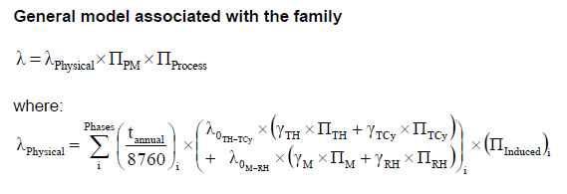
 |  |  |  |  |  | Component manufacturing factor |  |  |  |  |  | Basic failure rate associated with the subassembly |  |  |  |  |  | Active Operation Phase |  |  |  |  | Active Non-operation Phase
Part | Value | Package | Description | T [°C] | Csensitivity | QAcomponent | QAmanufacturer | ε | ΠPlacement | P | Vol | gTH | gTCy | λ0TH-TCy | gM | gRH | λ0M-RH | ΠThermal | ΠTcy | ΠMechanical | ΠRH | Πinduced | ΠThermal | ΠTcy | ΠMechanical | ΠRH | Πinduced | ΠPM | λPhisical | λ
U5 | RKE-05055/H | SIP7 - CONVERTER | 1W DC/DC Converter, 3,75kVDC/1sek isolation, Single Output, SIP7 | 45 | 5.9 | 1 | 2 | 4 | 1.6 | 1 | 1.409436 | 0.359 | 0.523 | 13.4689 | 0.9 | 0.028 | 6.5015055521 | 5.0454938915 | 1.1691342951 | 1 | 0 | 5.4828469482 | 0 | 0.00069097771579 | 0 | 1.6144583952 | 2.4783022947 | 1.085697049 | 7.9411062901 | 34.486542661
 |  |  |  |  |  |  |  |  |  |  |  |  |  |  |  |  |  |  |  |  |  |  |  |  |  |  |  |  | Total: | 34.486542661

